Sheet1
MAJOR PARTS

Main AC/DC converter

https://www.digikey.ca/product-detail/en/mean-well-usa-inc/IRM-60-24/1866-3067-ND/7704690

DC/DC Buck converter (0-24V)

https://www.digikey.ca/product-detail/en/linear-technology-analog-devices/LT3086EFE-PBF/LT3086EFE-PBF-ND/4755521
https://www.digikey.ca/products/en/connectors-interconnects/terminals-pc-pin-receptacles-socket-connectors/324?FV=fffc0036%2C9340019%2C9340156%2C9340008%2C18740004%2C18780014%2C18780015%2C18780028%2C18780029%2C18780030%2C18780037%2C1878003b%2C1878003f%2C18780007%2C18780047%2C18780048%2C1f140000%2Cffe00144&quantity=0&ColumnSort=1000011&page=2&stock=1&pageSize=25
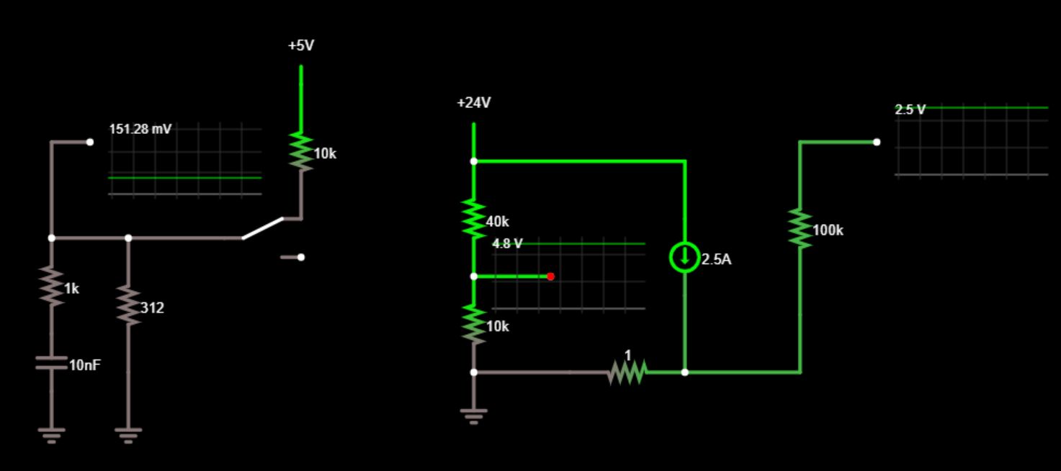

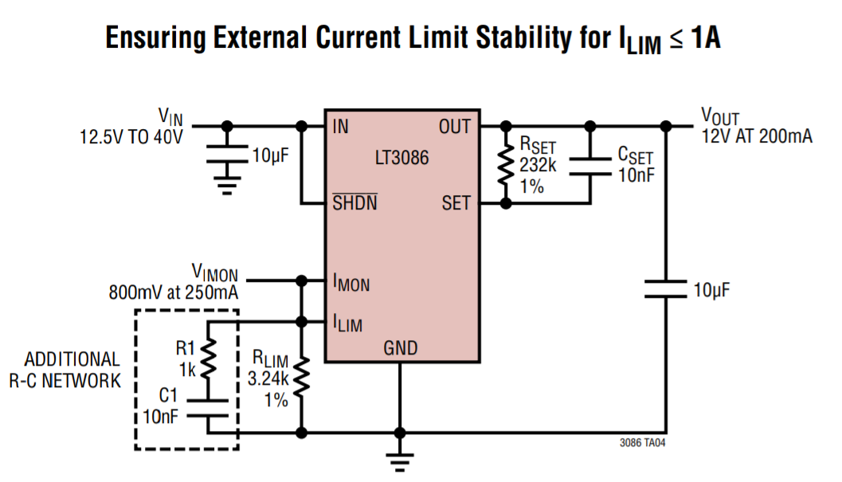

Pots for the Buck
Current Limit: | https://www.digikey.ca/product-detail/en/bourns-inc/PTV09A-4020F-A103/PTV09A-4020F-A103-ND/3781119
Voltage Limit: | https://www.digikey.ca/product-detail/en/bourns-inc/PTV09A-4020F-A504/PTV09A-4020F-A504-ND/3781122

Current Limit Set Switch | https://www.digikey.ca/product-detail/en/c-k/KS12R22CQD/CKN1595-ND/484129

DC/DC 3.3V
https://www.digikey.ca/product-detail/en/recom-power/R-78E3.3-1.0/945-2409-5-ND/5327711

DC/DC 5.0V
https://www.digikey.ca/product-detail/en/recom-power/R-78B5.0-2.0/945-3042-ND/6677084

Display:

Design it on your own | http://www.electronics-diy.com/70v_pic_voltmeter_amperemeter.php
 | https://www.digikey.ca/product-detail/en/adafruit-industries-llc/181/1528-1502-ND/5774228
 | https://www.digikey.com/product-detail/en/microchip-technology/PIC16F876A-I-SP/PIC16F876A-I-SP-ND/446140?utm_adgroup=Integrated%20Circuits&slid=&gclid=CjwKCAjw6vvoBRBtEiwAZq-T1cbpSSrT8i9aODTro_MTEWrs2Wxml9AlMopeLFXJOV1RSkFyex71UhoCVq4QAvD_BwE
 | https://www.digikey.ca/product-detail/en/on-shore-technology-inc/ED281DT/ED3050-5-ND/4147600?cur=CAD&lang=en
 | https://www.digikey.ca/product-detail/en/vishay-dale/RS0101R000FE73/RSD-1.0RTR-ND/1166364
 | https://www.kanda.com/blog/microcontrollers/pic-microcontrollers/pic-programmer-need/
 | https://www.instructables.com/id/Understanding-ICSP-for-PIC-Microcontrollers/
 | https://www.kanda.com/pic_programmer_icsp_guide.php

USB Connectors | https://www.digikey.ca/product-detail/en/te-connectivity-amp-connectors/1734366-1/A114947-ND/1891570

Binding Posts: | https://www.digikey.ca/product-detail/en/sparkfun-electronics/PRT-09740/1568-1665-ND/7393681
 | https://www.digikey.ca/product-detail/en/sparkfun-electronics/PRT-09739/1568-1664-ND/7393680
 | https://learn.sparkfun.com/tutorials/benchtop-power-board-kit-hookup-guide/all
 | https://www.ebay.ie/itm/DIY-PCB-Banana-jack-binding-post-breakout-board-/163248841920

AC Power Entry | https://www.digikey.ca/products/en?keywords=KP01.1112.11

